Sheet1
Year | Cashflow | Discount rate | Discount factor | Present value | Cashflow 1 | Cashflow 2
0 | -35,000 | 0.00 | 1.000 | -35000.00 | -35,000 | -35,000
1 | 20,000 |  | 1.000 | 20000.00 | 20,000 | 10,000
2 | 15,000 |  | 1.000 | 15000.00 | 15,000 | 10,000
3 | 10,000 |  | 1.000 | 10000.00 | 10,000 | 15,000
4 | 10,000 |  | 1.000 | 10000.00 | 10,000 | 20,000
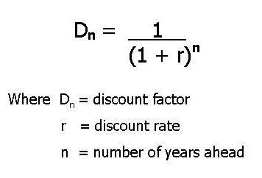
 |  |  |  | 20000.00

