PROBLEM
x11 | 3500 | x21 | 0 | x31 | 2500 | c11 | 3 | c21 | 7 | c31 | 2
x12 | 1500 | x22 | 2500 | x32 | 0 | c12 | 2 | c22 | 5 | c32 | 5
x13 | 0 | x23 | 2000 | x33 | 0 | c13 | 7 | c23 | 2 | c33 | 4
x14 | 0 | x24 | 1500 | x34 | 0 | c14 | 6 | c24 | 3 | c44 | 5
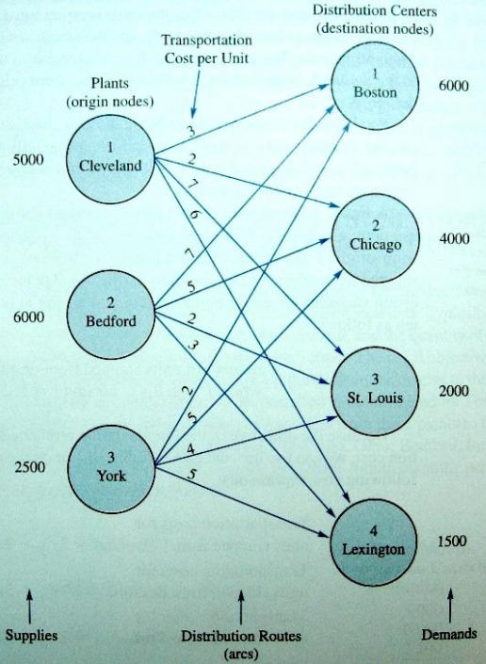
min | 39500

s.t. | 5000 | <= | 5000 | S1
 | 6000 | <= | 6000 | S2
 | 2500 | <= | 2500 | S3

 | 6000 | >= | 6000 | D1
 | 4000 | >= | 4000 | D2
 | 2000 | >= | 2000 | D3
 | 1500 | >= | 1500 | D4

